HR Interview
n
Questions | Interviwer + Level of Mock | Suggestions
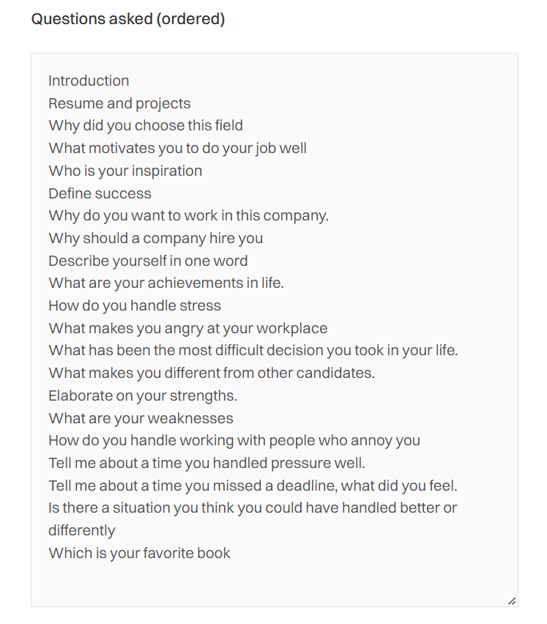
introduction
greatest failure?
greatest achievement?
Things you improved in last 12 months?
detailed description about projects?
how can a manager become a good leader?
what communication should be there between a client & manager?

HR Interview->Hard Level Introduction Strengths and Weaknesses. Short-term goals and long-term goals. Why should a company hire you?

HR Interview->Medium Level Introduce yourself : See Up! 2. Why Front/Back end? Which domain will u be comfortable? Full Stack- ? -Why ? Spoke about Projects related to Full Stack Also learning Back end too! xx Learning Back end - too! - Well Explained - NS reasoning given! Learnt Back End also - Well Answered xx Talk about NS learnings/assignments & Projects - Mentors Approval Why do U join us ? : Will evaluate background & culture - Research & See - good culture. Hints : Start Up Culture - Researched - Good Company Swiggy it is product based company - Growth - Brand value Job Description - Match! Looking for Opportunity to apply skills/ knowledge Swiggy good -company -Vital Role in Delivery - Good Experience - Good Webiste! - Want to big company Needs to prepare a bit Talk about Growth potential Talk I have the skills for Job Role - Opportunity Research well about organization & add value to your organization & talk about growth prospects of this company 4. Why shud we Hire U - See Up -Feedback 4.1 Strengths/ Weakness -R&D Trouble shoot well + Experience Can say : Creative - Quick Learning- Gave Example ?? ( Can - Speak - NS journey) -Decent - Weakness - Comm skills Hint : Can say: Unable to say no // Focus - one task-How are you overcoming! 3 Long Term/ Short Goals -Sr Developer - Good Answer-to Get a Job in Tech/Development - Decent -Long Term Goals Good Position - Team leader/CEO Full Stack Developer - Proficient-Leader - Project Manager! Quality - OTD : Balanced - View - Prefer Quality 8. Relocation -yes, 8.1 Bond ? -( 1 year ok) Why ? 9. Salary? 10 CTC LPA as a fresher -Specific Reasoning to be provided for value to the organization! Skills are tested at NS & Organization Experience! Prepare little better Have re structure - Prepare better - Smooth English - Preparation needed. 10. Any Questions : ? Role in company! Hint: What Tech i will work U can ask -Training Process / Ask Culture & Diversity Question!

- Tell me about yourself. - Why do you want to do this role? - Most challenging project? Why? - Strengths/Weaknesses? - Why should we hire you?

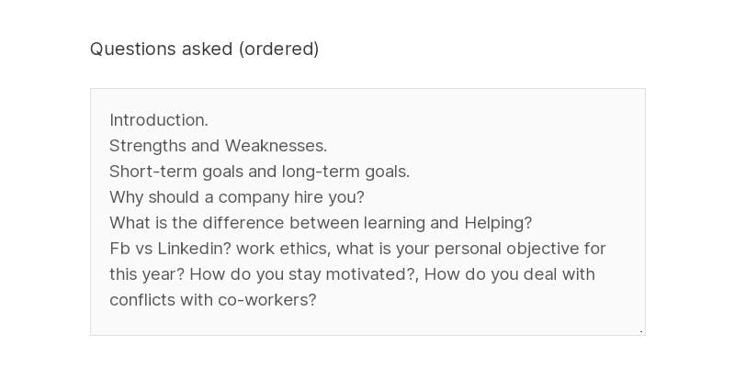

Introduction | Chetna Duggal
Resume and projects
SWOT analysis
Short term and long term goals.

Why should a company hire you
What is your biggest achievement

Introduction. Strengths and Weaknesses. Short-term goals and long-term goals. Why should a company hire you? What difference between learning and Helping? Fb vs Linkedin? work ethics, what is your personal objective for this year? How do you stay motivated? How do you deal with conflicts with co-workers? | Piyush Chaubey

Intro What makes in change of Domain? What is major thing you have learnt from Newton? Strength & Weakness Define Success? Success for me in achieving the goals we set for myself What is Creativity ? Ability to think outside the box and create or create something new with our skills and imagination Goals? A goal is an idea of the future or desired result that a person or a group of people envision, plan and commit to achieve.[1] People endeavour to reach goals within a finite time by setting deadlines. Have you faced any difficult situation ? Who inspires you ? Resume Walkthrough ? Major parameters on why should we hire you ? How you can say highly motivated? I know that I am self-motivated. I give my all to any project and am always looking ahead to the next task at hand. Successfully completing one project and moving on to the next one is very exciting for me. I am passionate about my work and truly enjoy working toward the next big goal Q&A Feedback | rashmi dembra

Tell me about yourself | Jashanpreet Singh
Tell me about your family
Tell me about your hobbies and interests?
Tell me about your strengths and weaknesses
Why do you want to work with our organization?
Where do you see yourself in 5 years from now?
8.Tell me about your salary expectations
Do you have any questions for us?
10. On a scale of 1-10, what would you rate me as an interviewer?

1.Tell me about yourself | Anita Shekhar
2.Tell me about your family
3.Tell me about your hobbies and interests?
4.Tell me about your strengths and weaknesses
5.Tell me about your current work experience. What did you learn from there?
6.What didn’t you like about your last job?
7.Why do you want to work with our organization?
8.Given a choice, would you like to work in a team or alone?9.What are 2 qualities of a good team?
10.Tell me about your salary expectations
11.Do you have any questions for us?

1. Resume | Aanchal Ratra | Need to read for 30 minutes every day | Use the STAR Approach when answering questions:
2. Tell me about yourself.
3. Why at Newton school? |  | Recommended books: | Situation - Describe the situation you were in or the task that you needed to accomplish
4. What have you learnt so far at NS? |  | 1. Charlotte’s Web – E.B. White | Task - Explore the goal you were working toward
5. Most challenging project |  | 2. Animal Farm, George Orwell | Activity - Mention steps you took & roles you played
6. Did you do the project independently? |  | 3. A Christmas Carol, Charles Dickens | Result - Describe the outcome
7. Between graduation and now, what have you been invested in? |  | 4. Harry Potter and the Sorcerer’s Stone, J. K. Rowling
8. Strengths |  | 5. The Old Man and the Sea, Ernest Hemingway
9. Weakness |  |  | *An Example of questions to think over:
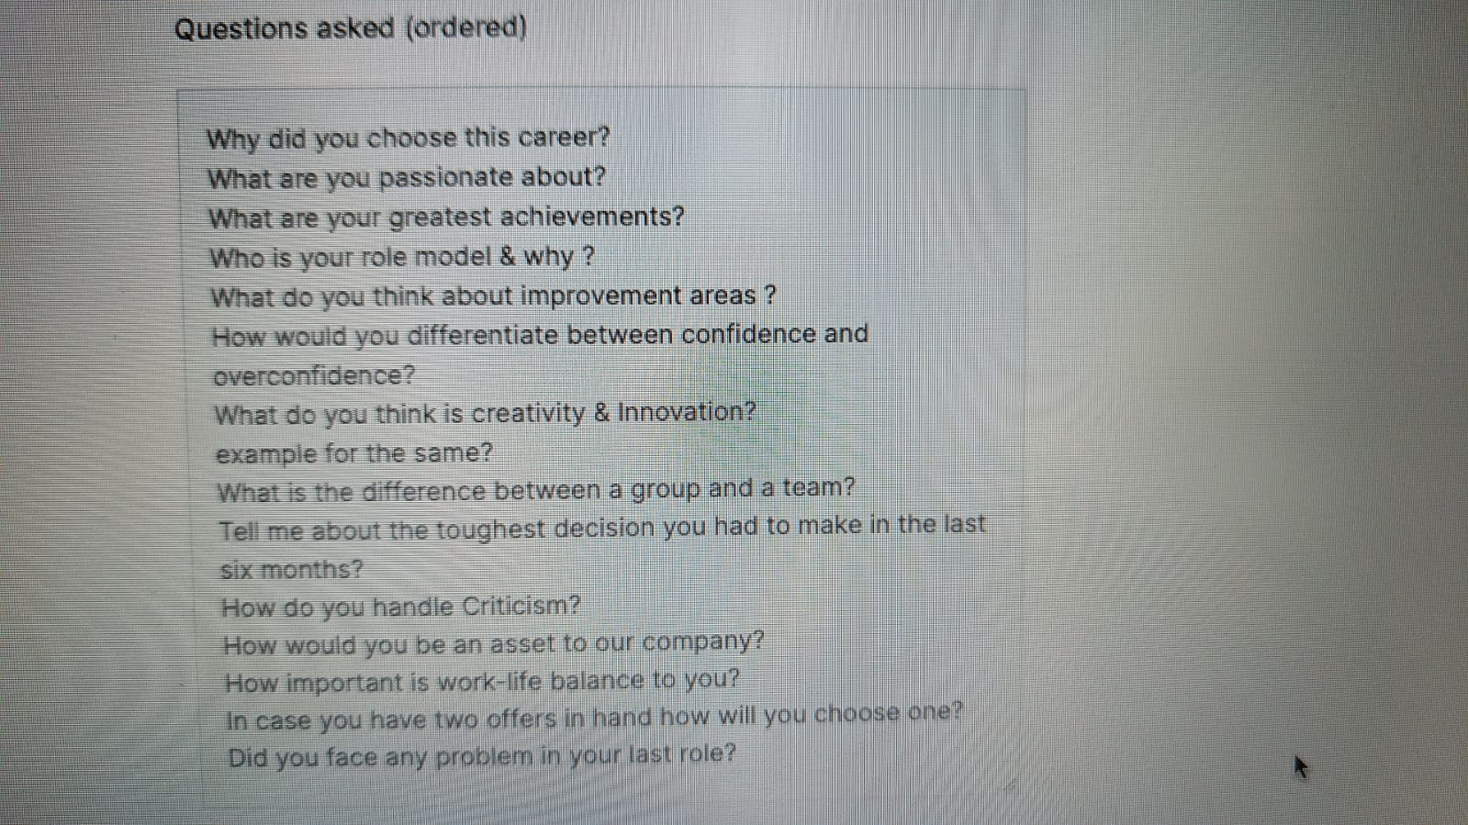
10. What is your goal? |  | Free website to download books: https://b-ok.asia/ | Describe two specific goals you set for yourself and how successful you were in meeting them. What factors
11. How many HR mock interviews? |  |  | led to your success?
12. What are your expectations from this conversation? |  | Recommended YouTube channels: | *Practise Hypothetical questions
13. What kind of a company? |  | 1. https://www.youtube.com/c/EnglishwithLucy | * General tips:
14. What kind of exposure do you have of development outside NS? |  |  | 1. Listen carefully. Rephrasing questions or asking for clarity is okay, as is telling me that you want time to collect your thoughts.
15. Why do you want to be you? |  | 2. https://www.instagram.com/learnenglishwithriti/ | 2. Be concise. Make sure you’re answering the question and not using a prepared example that isn’t applicable or related to the questions.

Can you please take me your resume and brief me about yourself. | Navita Sharma
Any additional steps you have taken to get the placement?
How much you were earning from the tuition?
What is the process you have been following for learning a language ?
What is the learning you had from HR interviews and how did you improve
How will you rate yourself in Javascript?
What do you understand about full stack development and what languages will be used to become a full stack developer?
What is the MERN stack and MEAN ?
Your inclination is more in the frontend or backend ?
What are you learning in frontend and rate yourself on a scale of 5 ?
Name 3 most famous libraries of JavaScript?
Name 3 most famous Frameworks of JavaScript?
What is the difference between product and service based company
What are your salary expectations?

Introduce yourself. | Krishan K Yadav
What are your strengths and weaknesses?
What are your short-term and long-term goals?
What does success mean to you?
How do you work with an unreliable teammate?
How do you handle conflict with your superior?
How do you handle constructive criticism?
Which work environment suits you the best?
Describe yourself in one word.
Why should a company hire you?
How many people can you put in a Tata Nano?
Do you read?

What are your key Strengths & Weakness ? | Imran Khan
What are you passionate about? | Imran Khan
Who is your role model & why ? | Imran Khan
What do you think about improvement areas ? | Imran Khan
How would you differentiate between confidence and overconfidence? | Imran Khan
What is the difference between a group and a team? | Imran Khan
What is success ? | Imran Khan
Describe your dream job? | Imran Khan | https://www.indiabix.com/hr-interview/questions-and-answers/
How would you be an asset to our company? | Imran Khan | https://www.javatpoint.com/job-interview-questions
What makes you unique? | Imran Khan | https://www.interviewbit.com/hr-interview-questions/
How do you handle Criticism? | Imran Khan
Tell me about the toughest decision you had to make in the last six months? | Imran Khan
What do you think is creativity & Innovation? | Imran Khan
Why should I hire you? | Imran Khan
How important is work-life balance to you? | Imran Khan
 | Imran Khan
What do you do to improve the skills? | Imran Khan
In case you have two offers in hand how will you choose one of them? | Imran Khan

- Tell me about yourself. | Keshav Ravi
- Why do you want to do this role? | Keshav Ravi
 | Keshav Ravi
- Strengths/Weaknesses? | Keshav Ravi
- Why should we hire you? | Keshav Ravi

Can you please take me your resume and brief me about yourself. | Navita sharma (HR MEDIUM)
What is the reason for the career gap?
What is the reason for the career gap?
Why do you want to build your career in IT?
What attracts you the most in IT ?.
What research have you done to get into the IT field or Any additional steps you have taken to explore the IT Industry?
What are you learning in frontend and rate yourself on a scale of 5 ?
What is the difference between product and service based company
What did you do in the last year to improve your knowledge?
What are your strengths and weaknesses?
Tell me about your short term and long-term goals.
Assuming you are seated in a real interview then why should a company hire you ? How are you better than the other applicants ?
What did you do in the last year to improve your knowledge?
What are the three things that are most important for you in a job?
Assuming you have been hired, then how long would you be working for our company?
How do you feel about working weekends and night shift ?
What homework will you be doing before appearing for the interview ?
Are you comfortable working anywhere in India?

Can you please take me your resume and brief me about yourself. | Navita Shrama
How did you reach out to Newton? and about the learning from Newton so far?
What kind of job opportunities are you looking for ?
What is your ideal company or workplace?
What is the difference between product and service based company
How good are you in the backend and rate yourself on a scale of 5 ?
How will you rate yourself in JavaScript?
Name 3 most famous libraries of JavaScript?

Name 3 most famous Frameworks of JavaScript?
What is HTML? Advantages of using HTM ?
What is CSS? Advantages of using CSs?
What are classes in JavaScript?
What are arrow functions?

Tell me about your short term and long-term goals.

Assuming you have been hired, then how long would you be working for our company?
What are the three things that are most important for you in a job?
How do you feel about working weekends and night shift ?
What are your salary expectations?
Are you comfortable working anywhere in India?
What homework will you be doing before appearing for the interview ?

 | Imaran Khan
What are you passionate about? | Imaran Khan
Who is your role model & why ? | Imaran Khan
Define success? | Imaran Khan
On a scale of 1-10, how would you rate yourself on grounds of your skills required for this position? | Imaran Khan
What do you think about improvement areas ? | Imaran Khan
What is the difference between hard work and smart work? | Imaran Khan
What do you expect from our company? | Imaran Khan
How do you handle Criticism? | Imaran Khan
Define success? | Imaran Khan
What do you think is creativity & innovation? | Imaran Khan
 | Imaran Khan
How do you handle Stress? | Imaran Khan
 | Imaran Khan
Suppose you win a lottery now that ensures you are set for life. Would you still work, or would you quit? | Imaran Khan
How would you be an asset to our company? | Imaran Khan

Introduction. | Piyush Chaubey
Strengths and Weaknesses.
Short-term goals and long-term goals.
Why should a company hire you?
What difference between learning and Helping?
Fb vs Linkedin? work ethics, what is your personal objective for this year? How do you stay motivated?, How do you deal with conflicts with co-workers?

Introduce yourself. | Krishan K Yadav
What are your strengths and weaknesses?
What are your short-term and long-term goals?
What does success mean to you?
What is the difference between "Group" and "Team"?
How do you work with an unreliable teammate?
How do you handle conflict with your superior?
How do you handle constructive criticism?
Which work environment suits you the best?
Describe yourself in one word.
Why should a company hire you?
Do you read?

Introduce yourself. | Shakshi Dubey
how many project you have done?
show the resume
speak out upto 7-8 minutes about each of the project you have done on the basis of the belwo points:
-basic introduction of the project
-why the project is choosen
-how it is different from other ones?
-UI tech
-working principles
-challenegs
-learning
What is success?
How you handle criticism?
if you get important information from client, how you deliver the same to other team member without worrying them
what you prefer? quality work or deadline? and why?
are you a lone wolf or team player?
what are your long term and short team goal?
how you become an asset to the organisation?
If you got two offer letters in your hands, what you do to choose the best?

Intro | Rashmi dembra
Why did you choose MBA in HR rather than core IT?
How many HR mocks are given?
What was your learning from your last mock?
Strengths & weaknesses
Where do you want to see yourself in the next 3 yrs ?
What are your 5 best qualities?
Decision making situation?
How are you unique compared to others?
Demotivated situation ?
Are you a hard worker or smart worker?
What is the difference between hard & smart working?
Resume walkthrough
Feedback
Q&A
Guidance

what is your greatest fear? | Akhila P Murali
what is your greatest fear? | Akhila P Murali
what are you doing to overcome your fear? | Akhila P Murali
What do you think is your strength? | Akhila P Murali
Tell me about your short term and long-term goals. | Akhila P Murali
who is your inspiration? | Akhila P Murali
How soon you can get adopted to new technologies? | Akhila P Murali
how do you think you will handle a conflict in a team? | Akhila P Murali
how do you take criticism? | Akhila P Murali

- Tell me about yourself. | Keshav Ravi
- Why do you want to do this role? | Keshav Ravi
- Most challenging project? Why? | Keshav Ravi
- Favourite programming language? Why? | Keshav Ravi
- Strengths and weaknesses? | Keshav Ravi
- Why should we hire you? | Keshav Ravi
- Salary compensation? | Keshav Ravi

Can you please take me your resume and brief me about yourself. | navita Sharma
What is the reason for the career gap?
What did you do in the last year to improve your knowledge?
Why do you want to build your career in IT? What is the thing that attracts you the most in IT ?
What research have you done to get into the IT field or Any additional steps you have taken to explore the IT Industry?
What is the difference between product and service based company
What kind of job opportunities are you looking for ?
What is your ideal company or workplace?
What are your strengths and weaknesses?

How quickly do you adapt to new technology? and what is the learning process you follow?
Assuming you are seated in a real interview then why should a company hire you ? How are you better than the other applicants ?
Name 3 most famous libraries of JavaScript?
Name 3 most famous Frameworks of JavaScript?
What are the limitations of React?
What are your salary expectations?
Assuming you have been hired, then how long would you be working for our company?
How do you feel about working weekends and night shifts ?
What homework will you be doing before appearing for the interview ?
Are you comfortable working anywhere in India?

Can you please take me your resume and brief me about yourself. | Navita Sharma | HR Mock (Medium Level)
Why do you want to build your career in IT? What is the thing that attracts you the most in IT ?
What kind of job opportunities are you looking for ?
What is your ideal company or workplace?
What is the difference between product and service based company
What are your strengths and weaknesses?
Tell me about your short term and long-term goals.
How quickly do you adapt to new technology? and what is the learning process you follow?
Your inclination is more in the frontend or backend ?
What are you learning in the front end and rate yourself on a scale of 5 ?
What is javascript?
Name 3 most famous libraries of JavaScript?
Name 3 most famous Frameworks of JavaScript?
Advantages for using JavaScript.
In JavaScript, how many different methods can you make an object?
What are the three things that are most important for you in a job?
What are your salary expectations?
Assuming you have been hired, then how long would you be working for our company?
How do you feel about working weekends and night shifts ?
What homework will you be doing before appearing for the interview ?
Are you comfortable working anywhere in India?

Introduction, | Piyush Chaubey | HR Mock (Easy Level)
What is your motivating factor in life?
Who is your role model & why?
On a scale of 1-10, how much do you rate tech skills?
What do you think about improvement areas?
What do you do to improve your skillset?
Do you think you are an organized person?
Strengths and Weaknesses.
Short-term goals and long-term goals.
Why should a company hire you?
What is the difference between learning and Helping?
Fb vs LinkedIn? work ethics.
what is your personal objective for this year?
How do you stay motivated?

Intro
How did you get interested in IT & how are you here in NS ?
How did you hear about NS?
How many HR mocks have been given till now ?
What are the 5 best qualities of yours? | rashmi dembra
Which are your weak qualities ? | December 2nd 2022
Where do you want to see yourself in the next 2 yrs? | Easy Level
Which quality makes you unique than others ?
Describe yourself in one word?
Resume walkthrough
Feedback
Q&A

Introduce yourself :
Why Coding? why will u stay in this field?
what is the most Important Aspect of Payment page?
Front End Developer -Why ?
Why do U join us ? :
Why shud we Hire U
Strengths/ Weakness : | Kumail Lakhani
Hardworking/ Smart working - What do u understanding? | EASY LEVEL
Product Based Companies /Service Based on Companies :
Long Term Goals :
Latest Trends in frontend
Salary? and justification
Any Questions you want to ask?

